API 1
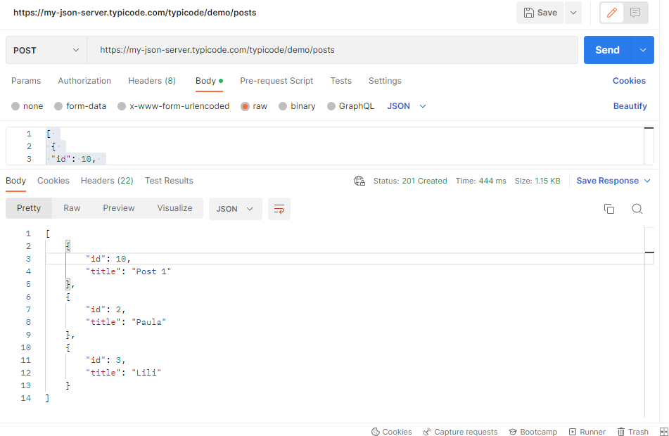
Informe Pruebas REST API
Tipo: | Post
API 1
Url: https://my-json-server.typicode.com/typicode/demo/posts |  | Response:
Request: |  | Status code: 201 Created
[ |  | [
{ |  | {
"id": 10, |  | "id": 10,
"title": "Post 1" |  | "title": "Post 1"
}, |  | },
{ |  | {
"id": 2, |  | "id": 2,
"title": "Paula" |  | "title": "Paula"
}, |  | },
{ |  | {
"id": 3, |  | "id": 3,
"title": "Lili" |  | "title": "Lili"
} |  | }
] |  | ]

Resultado:
El response es correcto, sin embargo se deben incluir validaciones de id y token de seguridad.

API 2
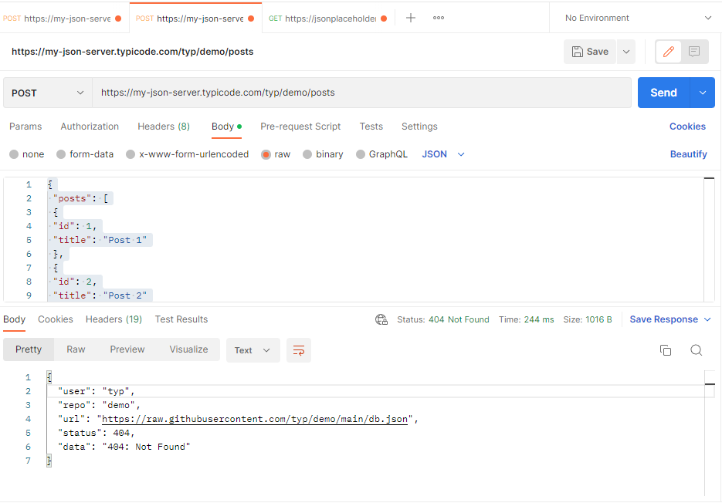
API 2
Tipo: | Post
Url: https://my-json-server.typicode.com/typ/demo/posts |  | Response:
Request: |  | Status code: 404Not Found
{ |  | {
"posts": [ |  | "user": "typ",
{ |  | "repo": "demo",
"id": 1, |  | "url": "https://raw.githubusercontent.com/typ/demo/main/db.json",
"title": "Post 1" |  | "status": 404,
}, |  | "data": "404: Not Found"
{ |  | }
"id": 2,
"title": "Post 2"
},
{ |  | Resultado:
"id": 3, |  | El servicio no se encuentra implementado de manera correcta.
"title": "Post 3"
}
],
"comments": [
{
"id": 1,
"body": "some comment",
"postId": 1
},
{
"id": 2,
"body": "some comment",
"postId": 1
}
],
"profile": {
"name": "typicode"
}
}

API 3
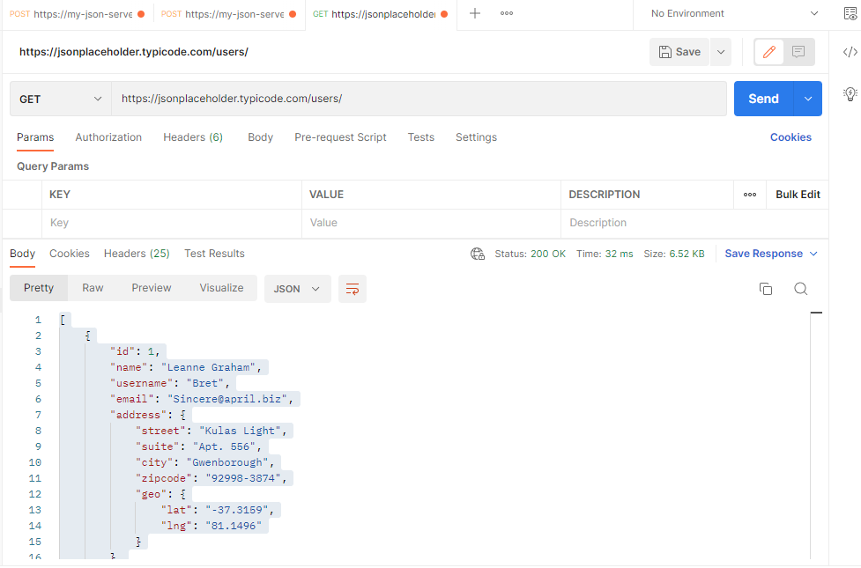
API 3
Tipo: | Get
https://jsonplaceholder.typicode.com/users/
Response: | 200 ok
[
{
"id": 1,
"name": "Leanne Graham",
"username": "Bret",
"email": "Sincere@april.biz",
"address": {
"street": "Kulas Light",
"suite": "Apt. 556",
"city": "Gwenborough",
"zipcode": "92998-3874",
"geo": {
"lat": "-37.3159",
"lng": "81.1496"
}
},
"phone": "1-770-736-8031 x56442",
"website": "hildegard.org",
"company": {
"name": "Romaguera-Crona",
"catchPhrase": "Multi-layered client-server neural-net",
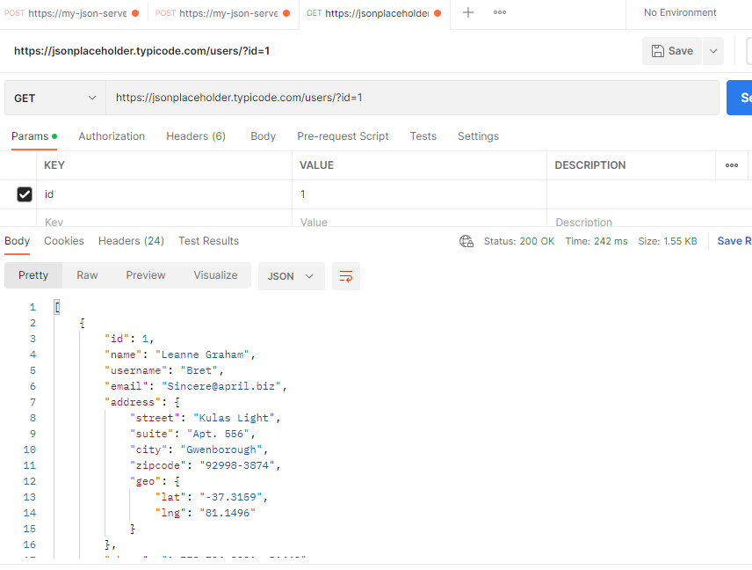
"bs": "harness real-time e-markets"
}
},
{
"id": 2,
"name": "Ervin Howell",
"username": "Antonette",
"email": "Shanna@melissa.tv",
"address": {
"street": "Victor Plains",
"suite": "Suite 879",
"city": "Wisokyburgh",
"zipcode": "90566-7771",
"geo": {
"lat": "-43.9509",
"lng": "-34.4618"
}
},
"phone": "010-692-6593 x09125",
"website": "anastasia.net",
"company": {
"name": "Deckow-Crist",
"catchPhrase": "Proactive didactic contingency",
"bs": "synergize scalable supply-chains"
}
},
{
"id": 3,
"name": "Clementine Bauch",
"username": "Samantha",
"email": "Nathan@yesenia.net",
"address": {
"street": "Douglas Extension",
"suite": "Suite 847",
"city": "McKenziehaven",
"zipcode": "59590-4157",
"geo": {
"lat": "-68.6102",
"lng": "-47.0653"
}
},
"phone": "1-463-123-4447",
"website": "ramiro.info",
"company": {
"name": "Romaguera-Jacobson",
"catchPhrase": "Face to face bifurcated interface",
"bs": "e-enable strategic applications"
}
},
{
"id": 4,
"name": "Patricia Lebsack",
"username": "Karianne",
"email": "Julianne.OConner@kory.org",
"address": {
"street": "Hoeger Mall",
"suite": "Apt. 692",
"city": "South Elvis",
"zipcode": "53919-4257",
"geo": {
"lat": "29.4572",
"lng": "-164.2990"
}
},
"phone": "493-170-9623 x156",
"website": "kale.biz",
"company": {
"name": "Robel-Corkery",
"catchPhrase": "Multi-tiered zero tolerance productivity",
"bs": "transition cutting-edge web services"
}
},
{
"id": 5,
"name": "Chelsey Dietrich",
"username": "Kamren",
"email": "Lucio_Hettinger@annie.ca",
"address": {
"street": "Skiles Walks",
"suite": "Suite 351",
"city": "Roscoeview",
"zipcode": "33263",
"geo": {
"lat": "-31.8129",
"lng": "62.5342"
}
},
"phone": "(254)954-1289",
"website": "demarco.info",
"company": {
"name": "Keebler LLC",
"catchPhrase": "User-centric fault-tolerant solution",
"bs": "revolutionize end-to-end systems"
}
},
{
"id": 6,
"name": "Mrs. Dennis Schulist",
"username": "Leopoldo_Corkery",
"email": "Karley_Dach@jasper.info",
"address": {
"street": "Norberto Crossing",
"suite": "Apt. 950",
"city": "South Christy",
"zipcode": "23505-1337",
"geo": {
"lat": "-71.4197",
"lng": "71.7478"
}
},
"phone": "1-477-935-8478 x6430",
"website": "ola.org",
"company": {
"name": "Considine-Lockman",
"catchPhrase": "Synchronised bottom-line interface",
"bs": "e-enable innovative applications"
}
},
{
"id": 7,
"name": "Kurtis Weissnat",
"username": "Elwyn.Skiles",
"email": "Telly.Hoeger@billy.biz",
"address": {
"street": "Rex Trail",
"suite": "Suite 280",
"city": "Howemouth",
"zipcode": "58804-1099",
"geo": {
"lat": "24.8918",
"lng": "21.8984"
}
},
"phone": "210.067.6132",
"website": "elvis.io",
"company": {
"name": "Johns Group",
"catchPhrase": "Configurable multimedia task-force",
"bs": "generate enterprise e-tailers"
}
},
{
"id": 8,
"name": "Nicholas Runolfsdottir V",
"username": "Maxime_Nienow",
"email": "Sherwood@rosamond.me",
"address": {
"street": "Ellsworth Summit",
"suite": "Suite 729",
"city": "Aliyaview",
"zipcode": "45169",
"geo": {
"lat": "-14.3990",
"lng": "-120.7677"
}
},
"phone": "586.493.6943 x140",
"website": "jacynthe.com",
"company": {
"name": "Abernathy Group",
"catchPhrase": "Implemented secondary concept",
"bs": "e-enable extensible e-tailers"
}
},
{
"id": 9,
"name": "Glenna Reichert",
"username": "Delphine",
"email": "Chaim_McDermott@dana.io",
"address": {
"street": "Dayna Park",
"suite": "Suite 449",
"city": "Bartholomebury",
"zipcode": "76495-3109",
"geo": {
"lat": "24.6463",
"lng": "-168.8889"
}
},
"phone": "(775)976-6794 x41206",
"website": "conrad.com",
"company": {
"name": "Yost and Sons",
"catchPhrase": "Switchable contextually-based project",
"bs": "aggregate real-time technologies"
}
},
{
"id": 10,
"name": "Clementina DuBuque",
"username": "Moriah.Stanton",
"email": "Rey.Padberg@karina.biz",
"address": {
"street": "Kattie Turnpike",
"suite": "Suite 198",
"city": "Lebsackbury",
"zipcode": "31428-2261",
"geo": {
"lat": "-38.2386",
"lng": "57.2232"
}
},
"phone": "024-648-3804",
"website": "ambrose.net",
"company": {
"name": "Hoeger LLC",
"catchPhrase": "Centralized empowering task-force",
"bs": "target end-to-end models"
}
}
]

Errores
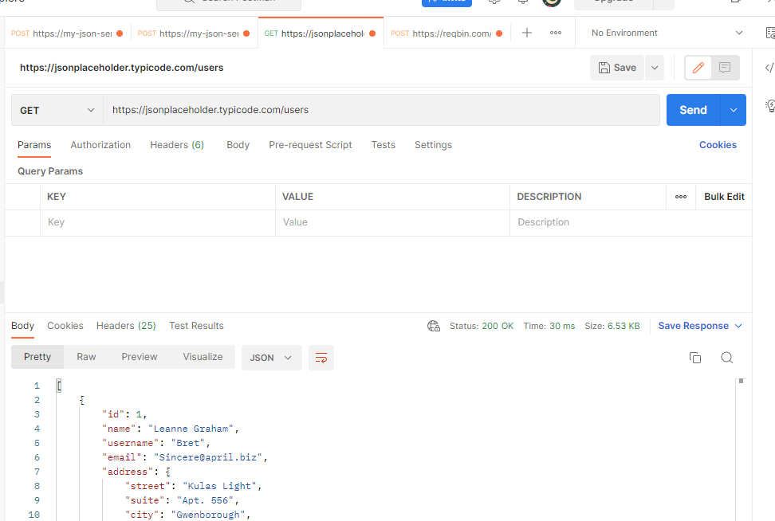
API 1

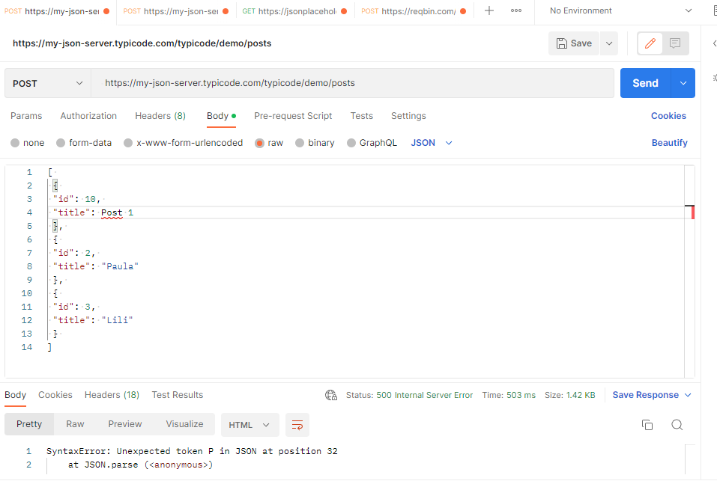
No existe control de modelo con excepciones personalizadas
Request
[
{
"id": 10,
"title": Post 1
},
{
"id": 2,
"title": "Paula"
},
{
"id": 3,
"title": "Lili"
}
]

Response
SyntaxError: Unexpected token P in JSON at position 32
at JSON.parse (<anonymous>)
at parse (/app/node_modules/body-parser/lib/types/json.js:89:19)
at /app/node_modules/body-parser/lib/read.js:121:18
at invokeCallback (/app/node_modules/raw-body/index.js:224:16)
at done (/app/node_modules/raw-body/index.js:213:7)
at IncomingMessage.onEnd (/app/node_modules/raw-body/index.js:273:7)
at IncomingMessage.emit (events.js:182:13)
at endReadableNT (_stream_readable.js:1081:12)
at process._tickCallback (internal/process/next_tick.js:63:19)

API 2

SERVICIO NO DISPONIBLE

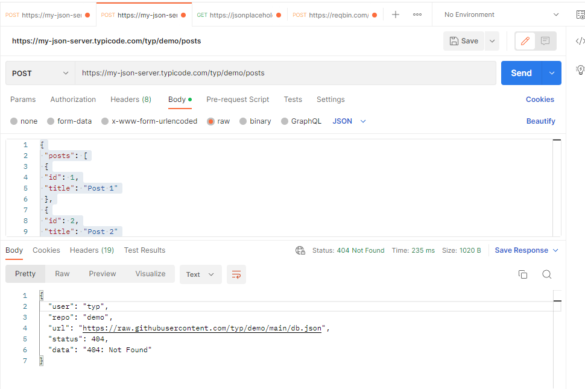
Request
{
"posts": [
{
"id": 1,
"title": "Post 1"
},
{
"id": 2,
"title": "Post 2"
},
{
"id": 3,
"title": "Post 3"
}
],
"comments": [
{
"id": 1,
"body": "some comment",
"postId": 1
},
{ | Response
"id": 2, | {
"body": "some comment", | "user": "typ",
"postId": 1 | "repo": "demo",
} | "url": "https://raw.githubusercontent.com/typ/demo/main/db.json",
], | "status": 404,
"profile": { | "data": "404: Not Found"
"name": "typicode" | }
}
}

API 3

SERVICIO FUNCIONA CORRECTAMENTE, NO SE LOGRÓ GENERAR UN ERROR 500

